Geometry
Overall dimensions of rocket
Length-overall (m) | 2.5
Diameter external (cm) | 8
Cr-in body(cm) | 15
Ct-in body (cm) | 10
Sweep angle - LE (deg) | 30
Cross-Sec A min (m^2) | 6.23E-03
Enlarging-in body (cm) | 20

 | References
30 |  | 0 | 0
cm |  | 1.875 | 0.25
0.3 |  | 5.625 | 0.75
m |  | 9.375 | 1.25
 |  | 13.125 | 1.75
 |  | 16.875 | 2.25
 |  | 20.625 | 2.75
 |  | 24.375 | 3.25
 |  | 28.125 | 3.75
 |  | 30 | 4
Geometry determination of components
Type | Conical |  |  |  |  | X | Y | Y(-) |  |  | Type | Ogive |  |  |  |  | X | Y | Y(-)
Nosecone |  |  |  |  |  | 0 | 0 | 0 |  |  | Nosecone |  |  |  |  |  | 0 | 0 | 0
 |  |  |  |  |  | 1.875 | 0.25 | -0.25 |  |  |  |  |  |  |  |  | 1.875 | 0.49204644928 | -0.49204644928
 |  |  |  |  |  | 5.625 | 0.75 | -0.75 |  |  |  |  |  |  |  |  | 5.625 | 1.3754189936 | -1.3754189936
 |  |  |  |  |  | 9.375 | 1.25 | -1.25 |  |  |  |  |  |  |  |  | 9.375 | 2.1270810019 | -2.1270810019
 |  |  |  |  |  | 13.125 | 1.75 | -1.75 |  |  |  |  |  |  |  |  | 13.125 | 2.7496550767 | -2.7496550767
 |  |  |  |  |  | 16.875 | 2.25 | -2.25 |  |  |  |  |  |  |  |  | 16.875 | 3.2452608903 | -3.2452608903
 |  |  |  |  |  | 20.625 | 2.75 | -2.75 |  |  |  |  |  |  |  |  | 20.625 | 3.6155527306 | -3.6155527306
 |  |  |  |  |  | 24.375 | 3.25 | -3.25 |  |  |  |  |  |  |  |  | 24.375 | 3.8617478661 | -3.8617478661
 |  |  |  |  |  | 28.125 | 3.75 | -3.75 |  |  |  |  |  |  |  |  | 28.125 | 3.9846468964 | -3.9846468964
 |  |  |  |  |  | 30 | 4 | -4 |  |  |  |  |  |  |  |  | 30 | 4 | -4
$$f\left(x\right)=\sqrt{R^{2}−{\left(L−x\right)}^{2}}−(R−r)$$
Geometry description |  | X |  |  |  |  |  |  |  |  | Geometry description | R | 114.5
 | Eq for curvature | 0.13333333333 |  |  |  |  |  |  |  |  |  | Eq for curvature | -
$R=\frac{\text{(}r^{2}+L^{2})}{2r}$
 | Diameter | 8 | cm | 0.08 | m |  |  |  |  |  |  | Diameter | 8 | cm | 0.08 | m
 | Large | 30 | cm | 0.3 | m |  |  |  |  |  |  | Large | 30 | cm | 0.3 | m
Comments | Nosecone type conical, easy to manufacture and design. High drag and less heat transfer. |  |  |  |  |  |  |  |  |  | Comments | Nosecone type conical, easy to manufacture and design. High drag and less heat transfer.
References | Solidworks Tutorial - Equation Driven Curve - YouTube |  |  |  |  |  |  |  |  |  | References | Solidworks Tutorial - Equation Driven Curve - YouTube

Type |  |  |  |  |  | X | Y | Y(-)
Rocket tube |  |  |  |  |  | 30 | 4 | -4
 |  |  |  |  |  | 36.3 | 4 | -4
 |  |  |  |  |  | 48.8 | 4 | -4
 |  |  |  |  |  | 61.3 | 4 | -4
 |  |  |  |  |  | 73.8 | 4 | -4
 |  |  |  |  |  | 86.3 | 4 | -4
 |  |  |  |  |  | 98.8 | 4 | -4
 |  |  |  |  |  | 111.3 | 4 | -4
 |  |  |  |  |  | 123.8 | 4 | -4
 |  |  |  |  |  | 130.0 | 4 | -4
Geometry description | Transition diameter
 | Diameter | 8 | cm | 0.08 | m
 | Length | 100 | cm | 1 | m
Comments | Fuselage tube for intern components
References

 |  |  |  |  |  |  |  |  | AERO mark |  |  |  |  |  |  |  |  |  |  | AERO mark
Type | Sweeped |  |  |  |  | X | Y(LE) | Y(LE-) | X_aero | Y(LE) | Type | Tapered 1/4 chord |  |  |  |  | X | Y(LE) | Y(LE-) | Y(LE) | Y(-LE)
Fins |  |  |  |  |  | 110.000 | 4.000 | -4.000 | 94.000 | 0.000 | Fins |  |  |  |  |  | 110.0 | 4 | -4.0 | 0
 |  |  |  |  |  | 110.938 | 7.750 | -7.750 | 110.000 | 3.000 |  |  |  |  |  |  | 110.9375 | 7.75 | -7.8 | 3 | -3
 |  |  |  |  |  | 112.813 | 15.250 | -15.250 | 110.938 | 7.750 |  |  |  |  |  |  | 112.8125 | 15.25 | -15.3 | 3.46875 | -3.46875
 |  |  |  |  |  | 114.688 | 22.750 | -22.750 | 112.813 | 15.250 |  |  |  |  |  |  | 114.6875 | 22.75 | -22.8 | 4.40625 | -4.40625
 |  |  |  |  |  | 116.563 | 24.000 | -24.000 | 114.688 | 22.750 |  |  |  |  |  |  | 116.5625 | 24 | -24.0 | 5.34375 | -5.34375
 |  |  |  |  |  | 118.438 | 24.000 | -24.000 | 116.563 | 24.000 |  |  |  |  |  |  | 118.4375 | 24 | -24.0 | 6.28125 | -6.28125
 |  |  |  |  |  | 120.313 | 24.000 | -24.000 | 118.438 | 24.000 |  |  |  |  |  |  | 120.3125 | 24 | -24.0 | 7.21875 | -7.21875
 |  |  |  |  |  | 122.188 | 24.000 | -24.000 | 120.313 | 24.000 |  |  |  |  |  |  | 122.1875 | 24 | -24.0 | 8 | -8
 |  |  |  |  |  | 125.000 | 24.000 | -24.000 | 125.000 | 24.000 |  |  |  |  |  |  | 125.0 | 24 | -24.0 | 8 | -8
 |  |  |  |  |  | 125.000 | 4.000 | -4.000 | 125.000 | 0.000 |  |  |  |  |  |  | 125.0 | 4 | -4.0
Geometry description | slope | 0.25 | LE sweep | 14.036243468 | deg | Aero-geometry corrected |  |  | AR | 1.1707317073 | Geometry description | Transition
 | B1 | 23.5
 | Cross-sec A (per fin) | 3.00E-04 | m^2 |  |  | Fyn type | Trapezoidal
 | Thickness | 2.0 | mm |  |  | Enlarging (per fin) | 15
 | Ct | 10 | cm | 0.1 | m | Ct | 10 | cm | 0.1 | m |  | Ct | 10 | cm | 0.1 | m
 | Cr | 15 | cm | 0.15 | m | Cr | 31.0 | cm | 0.31 | m |  | Cr | 15 | cm | 0.15 | m
 | Taper ratio | 0.66666666667 | - |  |  | Taper ratio | 0.32258064516 | - | 0.32258064516
 | Semi-wing | 20 | cm | 0.2 | m | Span | 48 | cm | 0.48 | m |  | Semi-wing | 20 | cm | 0.2 | m
 | Location | 5 | cm | 0.05 | m | Total surface reference | 984 | cm^2 | 0.1968 | m^2 |  | Location | 5 | cm | 0.05 | m
Comments | Sweeped fins easy to manufacture |  |  |  |  |  |  |  |  |  | Comments | Tapered fins are efficient but complicated to manufacture. Efficient at low speeds
References |  |  |  |  |  |  |  |  |  |  | References

DATA

Fin type | Sweeped | Tapered 1/4 | Tapered sweeped | Column4 | Column5
Ct | 10.000 | 0.100
Cr | 31.000 | 0.310
Taper ratio | 0.323 | 0.323
Span | 48.000 | 0.480
Surface area | 984.000 | 0.197

Type |  |  |  |  |  | X | Y | Y(-)
Boat-tail |  |  |  |  |  | 130.00 | 4.00 | -4.00
 |  |  |  |  |  | 130.50 | 3.89 | -3.89
 |  |  |  |  |  | 131.50 | 3.67 | -3.67
 |  |  |  |  |  | 132.50 | 3.45 | -3.45
 |  |  |  |  |  | 133.50 | 3.23 | -3.23
 |  |  |  |  |  | 134.50 | 3.02 | -3.02
 |  |  |  |  |  | 135.50 | 2.80 | -2.80
 |  |  |  |  |  | 136.50 | 2.58 | -2.58
 |  |  |  |  |  | 137.50 | 2.36 | -2.36
 |  |  |  |  |  | 138.00 | 2.25 | -2.25
Geometry description | Diameter transition | 4.5 |  |  |  | 138.00 | 0 | 0
 | Diameter to rocket | 8 | cm | 0.08 | m
 | Length | 8 | cm | 0.08 | m
Comments | Boat-tail according to literature reduce tail drag in burnout condition
References

Forces balance
Geometry x-y
 | Cone+ |  | Cone- |  | RT+ |  | RT- |  | FUP |  | FDN |  | BT+ |  | BT- |  | CG |  | RocketCG
0 | 0 | 0 | 0 | 30.0 | 4 | 30.0 | -4 | 110.000 | 4.000 | 110.000 | -4.000 | 130.00 | 4.00 | 130.00 | -4.00 | 20 | 0 | 58.960 | 0.405
1.875 | 0.25 | 1.875 | -0.25 | 36.3 | 4 | 36.3 | -4 | 110.938 | 7.750 | 110.938 | -7.750 | 130.50 | 3.89 | 130.50 | -3.89 | 80 | 0
5.625 | 0.75 | 5.625 | -0.75 | 48.8 | 4 | 48.8 | -4 | 112.813 | 15.250 | 112.813 | -15.250 | 131.50 | 3.67 | 131.50 | -3.67 | 120 | 6
9.375 | 1.25 | 9.375 | -1.25 | 61.3 | 4 | 61.3 | -4 | 114.688 | 22.750 | 114.688 | -22.750 | 132.50 | 3.45 | 132.50 | -3.45 | 120 | -6
13.125 | 1.75 | 13.125 | -1.75 | 73.8 | 4 | 73.8 | -4 | 116.563 | 24.000 | 116.563 | -24.000 | 133.50 | 3.23 | 133.50 | -3.23 | 120 | 0
16.875 | 2.25 | 16.875 | -2.25 | 86.3 | 4 | 86.3 | -4 | 118.438 | 24.000 | 118.438 | -24.000 | 134.50 | 3.02 | 134.50 | -3.02 | 120 | 0
20.625 | 2.75 | 20.625 | -2.75 | 98.8 | 4 | 98.8 | -4 | 120.313 | 24.000 | 120.313 | -24.000 | 135.50 | 2.80 | 135.50 | -2.80 | 0 | 0
24.375 | 3.25 | 24.375 | -3.25 | 111.3 | 4 | 111.3 | -4 | 122.188 | 24.000 | 122.188 | -24.000 | 136.50 | 2.58 | 136.50 | -2.58 | 40 | 1
28.125 | 3.75 | 28.125 | -3.75 | 123.8 | 4 | 123.8 | -4 | 125.000 | 24.000 | 125.000 | -24.000 | 137.50 | 2.36 | 137.50 | -2.36 | 60 | 1.6
30 | 4 | 30 | -4 | 130.0 | 4 | 130.0 | -4 | 125.000 | 4.000 | 125.000 | -4.000 | 138.00 | 2.25 | 138.00 | -2.25 | 120 | 0
 |  |  |  |  |  |  |  |  |  |  |  | 138.00 | 0.00 | 138.00 | 0.00 | 25 | 0
 |  |  |  |  |  |  |  |  |  |  |  |  |  |  |  | 58.9598256 | 0.4048582996
Geometry x-z
 | Cone+ |  | Cone- |  | RT+ |  | RT- |  | FUP |  | FDN |  | BT+ |  | BT- |  | CG
0 | 0 | 0 | 0 | 30.0 | 4 | 30.0 | -4 | 110.000 | 4.000 | 110.000 | -4.000 | 130.00 | 4.00 | 130.00 | -4.00 | 20 | 0
1.875 | 0.25 | 1.875 | -0.25 | 36.3 | 4 | 36.3 | -4 | 110.938 | 7.750 | 110.938 | -7.750 | 130.50 | 3.89 | 130.50 | -3.89 | 80 | 0
5.625 | 0.75 | 5.625 | -0.75 | 48.8 | 4 | 48.8 | -4 | 112.813 | 15.250 | 112.813 | -15.250 | 131.50 | 3.67 | 131.50 | -3.67 | 120 | 0
9.375 | 1.25 | 9.375 | -1.25 | 61.3 | 4 | 61.3 | -4 | 114.688 | 22.750 | 114.688 | -22.750 | 132.50 | 3.45 | 132.50 | -3.45 | 120 | 0
13.125 | 1.75 | 13.125 | -1.75 | 73.8 | 4 | 73.8 | -4 | 116.563 | 24.000 | 116.563 | -24.000 | 133.50 | 3.23 | 133.50 | -3.23 | 120 | 6
16.875 | 2.25 | 16.875 | -2.25 | 86.3 | 4 | 86.3 | -4 | 118.438 | 24.000 | 118.438 | -24.000 | 134.50 | 3.02 | 134.50 | -3.02 | 120 | -6
20.625 | 2.75 | 20.625 | -2.75 | 98.8 | 4 | 98.8 | -4 | 120.313 | 24.000 | 120.313 | -24.000 | 135.50 | 2.80 | 135.50 | -2.80 | 0 | 0
24.375 | 3.25 | 24.375 | -3.25 | 111.3 | 4 | 111.3 | -4 | 122.188 | 24.000 | 122.188 | -24.000 | 136.50 | 2.58 | 136.50 | -2.58 | 40 | -1
28.125 | 3.75 | 28.125 | -3.75 | 123.8 | 4 | 123.8 | -4 | 125.000 | 24.000 | 125.000 | -24.000 | 137.50 | 2.36 | 137.50 | -2.36 | 60 | -0.4
30 | 4 | 30 | -4 | 130.0 | 4 | 130.0 | -4 | 125.000 | 4.000 | 125.000 | -4.000 | 138.00 | 2.25 | 138.00 | -2.25 | 120 | 0
 |  |  |  |  |  |  |  |  |  |  |  | 138.00 | 0.00 | 138.00 | 0.00 | 25 | 0
 |  |  |  |  |  |  |  |  |  |  |  |  |  |  |  | 58.9598256 | -0.16194331984

Center of gravity location from datum |  |  |  |  |  |  |  | Center of gravity location from datum |  |  |  |  |  |  |  |  | Inertia tensor
cm | Mass (gr) | x | y | z | Mx | My | Mz | meters | Mass (kg) | x | y | z | Mx | My | Mz |  | 0.0023888 | 0.0072800 | -0.0026000
Nose cone | 300 | 20 | 0 | 0 | 58860 | 0 | 0 | Nose cone | 0.3 | 0.2 | 0 | 0 | 0.5886 | 0 | 0 |  | 0.0072800 | 1.7821174 | -0.0000676
Fuselage | 280 | 80 | 0 | 0 | 219744 | 0 | 0 | Fuselage | 0.28 | 0.8 | 0 | 0 | 2.19744 | 0 | 0 |  | -0.0026000 | -0.0000676 | 1.7821174
InertiaTensor
Fin 1 xy | 150 | 120 | 6 | 0 | 176580 | 8829 | 0 | Fin 1 xy | 0.15 | 1.2 | 0.06 | 0 | 1.7658 | 0.08829 | 0
Fin 2 xy | 150 | 120 | -6 | 0 | 176580 | -8829 | 0 | Fin 2 xy | 0.15 | 1.2 | -0.06 | 0 | 1.7658 | -0.08829 | 0
Fin 3 xz | 150 | 120 | 0 | 6 | 176580 | 0 | 8829 | Fin 3 xz | 0.15 | 1.2 | 0 | 0.06 | 1.7658 | 0 | 0.08829
Fin 4 xz | 150 | 120 | 0 | -6 | 176580 | 0 | -8829 | Fin 4 xz | 0.15 | 1.2 | 0 | -0.06 | 1.7658 | 0 | -0.08829 |  | Equations
Boat tail | 0 | 0 | 0 | 0 | 0 | 0 | 0 | Boat tail | 0 | 0 | 0 | 0 | 0 | 0 | 0 |  | Inertia tensor
Avionics | 260 | 40 | 1 | -1 | 102024 | 2550.6 | -2550.6 | Avionics | 0.26 | 0.4 | 0.01 | -0.01 | 1.02024 | 0.025506 | -0.025506 |  | Ixx | Iyx | Ixz
Recovery | 650 | 60 | 1.6 | -0.4 | 382590 | 10202.4 | -2550.6 | Recovery | 0.65 | 0.6 | 0.016 | -0.004 | 3.8259 | 0.102024 | -0.025506 |  | Ixy | Iyy | Iyz
PS | 121 | 120 | 0 | 0 | 142441.2 | 0 | 0 | Motor | 0.121 | 1.2 | 0 | 0 | 1.424412 | 0 | 0 |  | Izx | Iyz | Izz
Payload | 1000 | 25 | 0 | 0 | 245250 | 0 | 0 | Payload | 1 | 0.25 | 0 | 0 | 2.4525 | 0 | 0
Overall CG | 3211 | 58.960 | 0.405 | -0.162 | 1857229.2 | 12753 | -5101.2 | Overall CG | 3.211 | 0.5896 | 0.0040 | -0.0016 | 18.572292 | 0.12753 | -0.051012
Overall assembly from CAD |  |  |  |  |  |  |  | Overall assembly from CAD

Avionics - components
mm | Mass (gr) | x | y | z | Mx | My | Mz | Tubo
Flight comp |  |  |  |  |  |  |  | Parametros |  |  |  | Unidades |  | Fibra seleccionada | X | Unidad
Sensor 1 |  |  |  |  |  |  |  | Dext | 8 | cm | 0.08 | m |  | Densidad | 2.6 | kg/m^3
Sensor 2 |  |  |  |  |  |  |  | Dint | 7.2 | cm | 0.072 | m |  | Vf | 60 | %
Sensor 3 |  |  |  |  |  |  |  | Length | 200 | cm | 2 | m
PCB & cables |  |  |  |  |  |  |  | thickness | 4 | mm |  |  |  | Matriz seleccionada | X | Unidad
Transceiver |  |  |  |  |  |  |  |  |  |  |  |  |  | Densidad | 1.4 | kg/m^3
Antena |  |  |  |  |  |  |  | Densidad | 2.12 | gr/cm3 | 2.12 | kg/m^3 |  | Vm | 40 | %
GPS |  |  |  |  |  |  |  | Masa calculada | 38.576 | gr | 0.0386 | kg

 |  |  |  |  |  |  |  | Por aleta
Center of pressure location from datum |  |  |  |  |  |  |  | Parametros |  |  |  | Unidades |  | Fibra seleccionada | X | Unidad
cm | Force/ pressure () | x | y | z | Mx | My | Mz | Root | 15 | cm | 0.15 | m |  | Densidad | 2 | kg/m3
Nose cone |  | 20 | 0 | 0 | 58860 | 0 | 0 | Tip | 10 | cm | 0.1 | m |  | Vf | 60 | %
Fuselage |  | 80 | 0 | 0 | 219744 | 0 | 0 | Length | 8 | cm | 0.08 | m
Fin 1 xy |  | 120 | 4 | 0 |  |  |  | Thickness | 2 | mm | 0.002 | m |  | Matriz seleccionada | X
Fin 2 xy |  | 120 | -4 | 0 |  |  |  |  |  |  |  |  |  | Densidad | 1.5 | kg/m^3
Fin 3 xz |  | 120 | 0 | 4 | 176580 | 0 | 5886 | Densidad | 1.8 | gr/cm3 | 1.8 | kg/m^3 |  | Vm | 40 | %
Fin 4 xz |  | 120 | 0 | -4 |  |  |  | Masa calculada | 0.036 | gr | 0.000036 | kg
Boat tail |  | 128 | 0 | 0 | 0 | 0 | 0
Overall CP | 0 | 14.450327001 | 0 | 0.18685767674 | 455184 | 0 | 5886
Overall assembly CP from CFD

CE
Comp | X | Shear | Bending
Forebody (cone + fus.)
CG
Fins
Total

FinAeroDesign 2.0
Iterations Input variables (ambient) | 1.000 | 1.000 | 1.000 | 1.000 | 1.000 | 1.000 | 1.000 | 1.000 | 1.000 | 1.000
Airflow (m/s) | 20.410 | 34.029 | 102.086 | 170.143 | 238.200 | 340.286 | 510.429 | 680.573 | 1020.859 | 1701.431
U (m/s) | 19.715 | 34.029 | 102.086 | 170.143 | 238.200 | 340.286 | 510.429 | 680.573 | 1020.859 | 1701.431
V (m/s) | 0.000 | 0.000 | 0.000 | 0.000 | 0.000 | 0.000 | 0.000 | 0.000 | 0.000 | 0.000
W (m/s) | 5.283 | 0.000 | 0.000 | 0.000 | 0.000 | 0.000 | 0.000 | 0.000 | 0.000 | 0.000
Mach (for data) | 0.06 | 0.10 | 0.30 | 0.50 | 0.70 | 1.00 | 1.50 | 2.00 | 3.00 | 5.00
Mach | 0.06 | 0.10 | 0.30 | 0.50 | 0.70 | 1.00 | 1.50 | 2.00 | 3.00 | 5.00
Speed of sound (m/s) | 340.174 | 340.286 | 340.286 | 340.286 | 340.286 | 340.286 | 340.286 | 340.286 | 340.286 | 340.286
AoA (deg) symmetric x,z | 15.000 | 0.000 | 0.000 | 0.000 | 0.000 | 0.000 | 0.000 | 0.000 | 0.000 | 0.000
AoS (deg) slideslip, symmetric x,y | 0.000 | 0.000 | 0.000 | 0.000 | 0.000 | 0.000 | 0.000 | 0.000 | 0.000 | 0.000
AoA (rad) | 0.262 | 0.262 | 0.262 | 0.262 | 0.262 | 0.262 | 0.262 | 0.262 | 0.262 | 0.262
AoS (rad) | 0.000 | 0.000 | 0.000 | 0.000 | 0.000 | 0.000 | 0.000 | 0.000 | 0.000 | 0.000
Altitude (m) | 0.000 | 0.000 | 0.000 | 0.000 | 0.000 | 0.000 | 0.000 | 0.000 | 0.000 | 0.000
Atmosphere conditions
Local pressure (Pa) | 101177.194 | 101528.519 | 101528.519 | 101528.519 | 101528.519 | 101528.519 | 101528.519 | 101528.519 | 101528.519 | 101528.519
Density local (kg/m3) | 1.224 | 1.228 | 1.228 | 1.228 | 1.228 | 1.228 | 1.228 | 1.228 | 1.228 | 1.228
Temperature local (K) | 288.000 | 288.190 | 288.190 | 288.190 | 288.190 | 288.190 | 288.190 | 288.190 | 288.190 | 288.190
Temperature local (C°) | 15.000 | 15.190 | 15.190 | 15.190 | 15.190 | 15.190 | 15.190 | 15.190 | 15.190 | 15.190
Dynamic viscosity (Pa*s) | 1.84E-05 | 1.84E-05 | 1.84E-05 | 1.84E-05 | 1.84E-05 | 1.84E-05 | 1.84E-05 | 1.84E-05 | 1.84E-05 | 1.84E-05
Kinematic viscosity (m2/s) | 1.50E-05 | 1.50E-05 | 1.50E-05 | 1.50E-05 | 1.50E-05 | 1.50E-05 | 1.50E-05 | 1.50E-05 | 1.50E-05 | 1.50E-05
Gust wind (m/s) | 9.000 | 9.000 | 9.000 | 9.000 | 9.000 | 9.000 | 9.000 | 9.000 | 9.000 | 9.000
Gust wind U (m/s)
Gust wind V (m/s)
Gust wind W (m/s)
Modified AoA (deg) | 35.922 | 14.815 | 5.038 | 3.028 | 2.164 | 1.515 | 1.010 | 0.758 | 0.505 | 0.303
Modified AoS (deg) | 24.537 | 14.815 | 5.038 | 3.028 | 2.164 | 1.515 | 1.010 | 0.758 | 0.505 | 0.303
Modified AoA (rad) | 0.627 | 0.259 | 0.088 | 0.053 | 0.038 | 0.026 | 0.018 | 0.013 | 0.009 | 0.005
Modified AoS (rad) | 0.428 | 0.259 | 0.088 | 0.053 | 0.038 | 0.026 | 0.018 | 0.013 | 0.009 | 0.005
Max-Q (max. Dynamic pressure) Pa | 254.967 | 710.700 | 6396.297 | 17767.491 | 34824.282 | 71069.963 | 159907.417 | 284279.853 | 639629.668 | 1776749.078
Cross-sec area (m^2) | 0.006 | 0.006 | 0.006 | 0.006 | 0.006 | 0.006 | 0.006 | 0.006 | 0.006 | 0.006

Fin geometry design (per fin)
Diameter of rocket (cm) | 8.000 | 8.000 | 8.000 | 8.000 | 8.000 | 8.000 | 8.000 | 8.000 | 8.000 | 8.000
(m) | 0.080 | 0.080 | 0.080 | 0.080 | 0.080 | 0.080 | 0.080 | 0.080 | 0.080 | 0.080
Real chord root (cm) | 16.333 | 16.333 | 16.333 | 16.333 | 16.333 | 16.333 | 16.333 | 16.333 | 16.333 | 16.333
(m) | 0.163 | 0.163 | 0.163 | 0.163 | 0.163 | 0.163 | 0.163 | 0.163 | 0.163 | 0.163
Physical chord root (cm) | 15.000 | 15.000 | 15.000 | 15.000 | 15.000 | 15.000 | 15.000 | 15.000 | 15.000 | 15.000
(m) | 0.150 | 0.150 | 0.150 | 0.150 | 0.150 | 0.150 | 0.150 | 0.150 | 0.150 | 0.150
Chord tip (cm) | 10.000 | 10.000 | 10.000 | 10.000 | 10.000 | 10.000 | 10.000 | 10.000 | 10.000 | 10.000
(m) | 0.100 | 0.100 | 0.100 | 0.100 | 0.100 | 0.100 | 0.100 | 0.100 | 0.100 | 0.100
Thickness (mm) | 2.000 | 2.000 | 2.000 | 2.000 | 2.000 | 2.000 | 2.000 | 2.000 | 2.000 | 2.000
(m) | 0.020 | 0.020 | 0.020 | 0.020 | 0.020 | 0.020 | 0.020 | 0.020 | 0.020 | 0.020
LE sweep (deg) | 45.000 | 45.000 | 45.000 | 45.000 | 45.000 | 45.000 | 45.000 | 45.000 | 45.000 | 45.000
Taper ratio (-) | 0.667 | 0.667 | 0.667 | 0.667 | 0.667 | 0.667 | 0.667 | 0.667 | 0.667 | 0.667
Semi-span (cm) | 19.000 | 19.000 | 19.000 | 19.000 | 19.000 | 19.000 | 19.000 | 19.000 | 19.000 | 19.000
(m) | 0.190 | 0.190 | 0.190 | 0.190 | 0.190 | 0.190 | 0.190 | 0.190 | 0.190 | 0.190
Enlarging (cm) (per fin) | 15.000 | 15.000 | 15.000 | 15.000 | 15.000 | 15.000 | 15.000 | 15.000 | 15.000 | 15.000
(m) | 0.150 | 0.150 | 0.150 | 0.150 | 0.150 | 0.150 | 0.150 | 0.150 | 0.150 | 0.150
Real surface (m2) (per fin) | 0.025 | 0.025 | 0.025 | 0.025 | 0.025 | 0.025 | 0.025 | 0.025 | 0.025 | 0.025
Physical Lifting surface (m2) (per fin) | 0.019 | 0.019 | 0.019 | 0.019 | 0.019 | 0.019 | 0.019 | 0.019 | 0.019 | 0.019
AR (-) | 2.886 | 2.886 | 2.886 | 2.886 | 2.886 | 2.886 | 2.886 | 2.886 | 2.886 | 2.886

Numeric segmentation for N=10
semi-span-separation (m) | 0.014 | 0.014 | 0.014 | 0.014 | 0.014 | 0.014 | 0.014 | 0.014 | 0.014 | 0.014
chord-slope | -0.333 | -0.333 | -0.333 | -0.333 | -0.333 | -0.333 | -0.333 | -0.333 | -0.333 | -0.333
Station (semi-span-location, m)
Station (chord, m)
Station (local-area, m^2)
Total Area Sum m^2 | 0.017 | 0.017 | 0.017 | 0.017 | 0.017 | 0.017 | 0.017 | 0.017 | 0.017 | 0.017
Aero parameters
Aerodynamic corrected slope | 1.7460 | 1.7517 | 1.8270 | 2.0125 | 2.4405 | 12.3549 | 12.3549 | 12.3549 | 12.3549 | 12.3549
Aerodynamic corrected slope supersonic | 1.7460 | 1.7517 | 1.8270 | 2.0125 | 2.4405 | 28.2138 | 3.5777 | 2.3094 | 1.4142 | 0.8165

Reynolds max TE | 1.97E+05 | 3.41E+05 | 1.02E+06 | 1.71E+06 | 2.39E+06 | 3.41E+06 | 5.12E+06 | 6.82E+06 | 1.02E+07 | 1.71E+07
Reynolds min TE | 1.32E+07 | 2.27E+07 | 6.82E+07 | 1.14E+08 | 1.59E+08 | 2.27E+08 | 3.41E+08 | 4.55E+08 | 6.82E+08 | 1.14E+09
y (wall separation, mm) | 0.01856 | 0.00108 | 0.00108 | 0.00108 | 0.00108 | 0.00108 | 0.00108 | 0.00108 | 0.00108 | 0.00108
y (wall separation, m) | 1.86E-05 | 1.08E-06 | 1.08E-06 | 1.08E-06 | 1.08E-06 | 1.08E-06 | 1.08E-06 | 1.08E-06 | 1.08E-06 | 1.08E-06
First term | 19.944 | 2.008 | 6.025 | 10.041 | 14.057 | 20.082 | 30.123 | 40.164 | 60.246 | 100.410
y+ subsonic MAX Re TE | 1.000 | 0.101 | 0.302 | 0.503 | 0.705 | 1.007 | 1.510 | 2.014 | 3.021 | 5.035
chord Re segmentation (chord root) | 0.030 | 0.030 | 0.030 | 0.030 | 0.030 | 0.030 | 0.030 | 0.030 | 0.030 | 0.030
Chord y+ segmentation
y+ sonic MAX Re TE | 1.000 | 0.101 | 0.301 | 0.498 | 0.690 | 0.965 | 1.385 | 1.756 | 2.375 | 3.313
chord Re segmentation (chord root)

y+ for rocket length MAX RE

Aerodynamic theoretical STATIC forces per fin
Cl corrected | 0.45711 | 0.00000 | 0.00000 | 0.00000 | 0.00000 | 0.00000 | 0.00000 | 0.00000 | 0.00000 | 0.00000
Data points (Lift)
Data points (Moment due Lift Myz)
TOTAL Lift (Newtons) | 1.987 | 0.000 | 0.000 | 0.000 | 0.000 | 0.000 | 0.000 | 0.000 | 0.000 | 0.000
TOTAL Myz due lift (Newtons) | 0.141 | 0.000 | 0.000 | 0.000 | 0.000 | 0.000 | 0.000 | 0.000 | 0.000 | 0.000
CL per fin 3D | 0.914 | 0.000 | 0.000 | 0.000 | 0.000 | 0.000 | 0.000 | 0.000 | 0.000 | 0.000
CP loc. of fin 3D (cm) | 7.091 | #DIV/0! | #DIV/0! | #DIV/0! | #DIV/0! | #DIV/0! | #DIV/0! | #DIV/0! | #DIV/0! | #DIV/0!
Data points (CL due AoA, M<0.5)
dCL/dAlpha due Mach & AoA | 0.07119 | 0.07119 | 0.07119 | 0.07119 | 0.07119 | 0.07119 | 0.07119 | 0.07119 | 0.07119 | 0.07119

Aero Cl derivatives due Mach
Linearized theoretical data
dCL/dAlpha due Mach (AoA<25 deg, in rad)
0.06 | 1.78119
0.1 | 1.78690
0.3 | 1.86380
0.5 | 2.05300
0.7 | 2.48970
1 | 28.21382
1.5 | 3.57770
2 | 2.30940
3 | 1.41420
5 | 0.81650

Linearized theoretical data in rocket
Q RATE
Selected Cl slope due Mach | 1.746 | 1.752 | 1.827 | 2.013 | 2.441 | 28.214 | 3.578 | 2.309 | 1.414 | 0.816
Calibers | 1.500 | 1.500 | 1.500 | 1.500 | 1.500 | 1.500 | 1.500 | 1.500 | 1.500 | 1.500
Physical distance (meters) | 0.120 | 0.120 | 0.120 | 0.120 | 0.120 | 0.120 | 0.120 | 0.120 | 0.120 | 0.120
Data points (AoA due q rate rad/s, out: rad) | 2 | 2 | 2 | 2 | 2 | 2 | 2 | 2 | 2 | 2
Data points (AoA due q rate rad/s, out: deg)

Selected q rate | 20.000 | 20.000 | 20.000 | 20.000 | 20.000 | 20.000 | 20.000 | 20.000 | 20.000 | 20.000
Cl due q rate rad/s (Cl,q) | -0.212 | -0.212 | -0.221 | -0.244 | -0.296 | -3.418 | -0.433 | -0.280 | -0.171 | -0.099
Data points (Lift)
TOTAL Lift | -0.919 | -2.571 | -24.131 | -73.834 | -175.491 | -4140.378 | -1181.314 | -1355.618 | -1867.822 | -2995.521
Pitch moment due Q rate | -0.110 | -0.308 | -2.896 | -8.860 | -21.059 | -496.845 | -141.758 | -162.674 | -224.139 | -359.463
Mean aerodynamic chord (MAC) | 0.127 | 0.127 | 0.127 | 0.127 | 0.127 | 0.127 | 0.127 | 0.127 | 0.127 | 0.127
Reference length dx = (x,cp - x.cg) | 0.800 | 0.800 | 0.800 | 0.800 | 0.800 | 0.800 | 0.800 | 0.800 | 0.800 | 0.800
Cm,q (damping) | -0.200 | -0.201 | -0.210 | -0.231 | -0.280 | -3.238 | -0.411 | -0.265 | -0.162 | -0.094
dCm,q /dq due Mach | -0.001594 | -0.000927 | -0.000322 | -0.000213 | -0.000184 | -0.001492 | -0.000126 | -0.000061 | -0.000025 | -0.000009
0.06 | -0.003957
0.1 | -0.001059
0.3 | -0.000237
0.5 | -0.000115
0.7 | -0.000079
1 | -0.000519
1.5 | -0.000318
2 | -0.000068
3 | -0.000018
5 | -0.000005

dCm,AoA /dAoA due Mach | 0.262 | 0.263 | 0.274 | 0.302 | 0.366 | 4.232 | 0.537 | 0.346 | 0.212 | 0.122
0.06 | 0.424
0.1 | 0.426
0.3 | 0.444
0.5 | 0.489
0.7 | 0.593
1 | 6.718
1.5 | 0.852
2 | 0.550
3 | 0.337
5 | 0.194

FBAeroDesign
Iterations Input variables (ambient) | 1.000
Airflow (m/s) | 1008.940
U (m/s) | 1005.101
V (m/s) | 0.000
W (m/s) | 87.935
Altitude (m) | 1000.000
Mach (for data) | 3.00
Mach | 3.00
Speed of sound (m/s) | 336.313
AoA (deg) symmetric x,z | 5.000
AoS (deg) slideslip, symmetric x,y | 0.000
AoA (rad) | 0.087
AoS (rad) | 0.000
Atmosphere conditions

Forebody geometry design (per fin)
Diameter of rocket (cm) | 8.000
(m) | 0.080
Nose cone length (L_N, in cm) | 15.000
(m) | 0.150
L_N /diameter ratio | 1.875
Fuselage midsection (L_m, in cm) | 80.000
(m) | 0.800
Boat tail length (L_T, in cm) | 0.000
(m) | 0.000
Smaller diameter boat-tail (cm) | 0.000
(m) | 0.000
Overall-length (L, cm) | 95.000
(m) | 0.950

Aero parameters
Reynolds max TE | 5.88E+09
Reynolds min TE | 4.95E+07
y (wall separation, mm) | 0.02199
y (wall separation, m) | 2.20E-05
First term | 1225.735
y+ subsonic MAX Re rocket length | 34.764
chord Re segmentation (chord root) | 0.190
Chord y+ segmentation
y+ sonic MAX Re rocket length | 27.335
chord Re segmentation (chord root)

C_N overall | 0.295
C_N AoA term | 0.087
C_N0 due Ln /d ratio & mach | 2.490
F, part | 6.531
C_NC due alpha | 0.007
C_Pf | 0.676
first term | 15.125
second term | 0.521
C_PL | 0.924

$$X_{crossflow}=\frac{L}{2}C_{CL}$$
$$C_{PL}=C_{Pf}\frac{L_{N}}{L}+\frac{L_{m}+L_{T}}{L}$$
CP location
Xcrossflow | 201.895
C_Cf | 1.243
second term | 7.043
C_CL | 4.250

Aerodynamic theoretical STATIC coeficients & der
Nose-cone coef and derivatives Mach & Ln /d
For determining C_NC coeficient
Mach number, valid for +/- 5 deg | d(C_NC)/da

for cp
Mach numb | 1.5
0 | 0.466
1 | 0.466
2 | 0.75
3 | 0.93
4 | 1.2
5 | 1.35
 | 2
0 | 0.466
1 | 0.466
2 | 1.02
3 | 1.25
4 | 1.52
5 | 1.62
 | 3
0 | 0.466
1 | 0.466
2 | 1.59
3 | 1.84
4 | 2.08
5 | 2.12
 | 5
0 | 0.466
1 | 0.466
2 | 2.1
3 | 2.4
4 | 2.6
5 | 2.6
 | 6
0 | 0.466
1 | 0.466
2 | 3.02
3 | 3.23
4 | 3.43
5 | 3.43
 | 7
0 | 0.466
1 | 0.466
2 | 3.35
3 | 3.43
4 | 3.74
5 | 3.74

RocketData
Forebody Near-Zero AoA

$$L_{n}/d C_{N0} nosecone (per radian)$$
Lift

Mach numb | 1.5 | 3 | 5 | 7
0 | 2 | 2 | 2 | 2
0.3 | 2.01 | 2.01 | 2.01 | 2.01
0.4 | 2.02 | 2.02 | 2.02 | 2.02
0.5 | 2.03 | 2.03 | 2.03 | 2.03
0.6 | 2.05 | 2.05 | 2.05 | 2.05
0.7 | 2.06 | 2.06 | 2.06 | 2.06
0.8 | 2.1 | 2.1 | 2.1 | 2.1
0.9 | 2.16 | 2.16 | 2.16 | 2.16
1 | 2.3 | 2.3 | 2.3 | 2.3
1.05 | 2.36 | 2.36 | 2.36 | 2.36
1.1 | 2.4 | 2.4 | 2.4 | 2.4
1.15 | 2.38 | 2.37 | 2.37 | 2.38
1.2 | 2.37 | 2.32 | 2.3 | 2.3
1.3 | 2.35 | 2.27 | 2.21 | 2.21
1.4 | 2.35 | 2.25 | 2.16 | 2.13
1.5 | 2.35 | 2.24 | 2.12 | 2.08
1.75 | 2.37 | 2.26 | 2.08 | 2.03
2 | 2.4 | 2.31 | 2.08 | 2.01
2.25 | 2.42 | 2.36 | 2.12 | 2.03
2.5 | 2.45 | 2.4 | 2.15 | 2.06
3 | 2.48 | 2.49 | 2.22 | 2.1
3.5 | 2.51 | 2.57 | 2.28 | 2.14
4 | 2.53 | 2.63 | 2.34 | 2.18
4.5 | 2.56 | 2.67 | 2.39 | 2.21
5 | 2.57 | 2.7 | 2.43 | 2.24

Cp at alpha zero
 | L_n/d
Mach numb | 1.5 | 2 | 3 | 5 | 6 | 7
0 | 0.466 | 0.466 | 0.466 | 0.466 | 0.466 | 0.466
1 | 0.466 | 0.466 | 0.466 | 0.466 | 0.466 | 0.466
2 | 0.75 | 1.02 | 1.59 | 2.1 | 3.02 | 3.35
3 | 0.93 | 1.25 | 1.84 | 2.4 | 3.23 | 3.43
4 | 1.2 | 1.52 | 2.08 | 2.6 | 3.43 | 3.74
5 | 1.35 | 1.62 | 2.12 | 2.6 | 3.43 | 3.74

L_N/d | 1.5 | cal | Cylindrical fuselages greater than 10 calibers
L_N | 12 | cm | Lfuselage | 80 | cm
d (1 cal) | 8 | cm | 10 cal

Forebody Finite AoA
$C_{N}=C_{N0}\sin\left(α\right)\cos\left(α\right)+\frac{4}{π }\frac{L}{d}C_{NC}C_{PL}$

$$C_{Nforebody}=C_{Nα0}\sin\left(α\right)\cos\left(α\right)$$

$$C_{Ncrossflow}=\frac{4}{π }\frac{L}{d}C_{NC}C_{PL}$$

For Mach = 0.5
AoA | C_NC | dC_NC | % change
0 | 0 | 0.0010 | 0%
5 | 0.005 | 0.0010 | 0%
10 | 0.015 | 0.0010 | 0%
15 | 0.035 | 0.0013 | 33%
20 | 0.065 | 0.0015 | 12%
25 | 0.11 | 0.0018 | 20%
30 | 0.175 | 0.0022 | 20%
 | avg | 0.0014

Only valid for +/- 5 deg
Mach number | d(C_NC)/da
0 | 0.063
0.5 | 0.068
0.7 | 0.069 |  |  |  |  |  |  |  | M numb | 0.85
0.8 | 0.069 |  |  |  |  |  |  |  | dC_NC | 0.069
0.9 | 0.067
1 | 0.066
1.2 | 0.063
1.5 | 0.057
2 | 0.06
2.5 | 0.066
3 | 0.077
3.5 | 0.092
4 | 0.115

For C_PL | planform coefficient
$$C_{PL}=C_{Pf}\frac{L_{N}}{L}+\frac{L_{m}}{L}+C_{pa}\frac{L_{T}}{L}$$
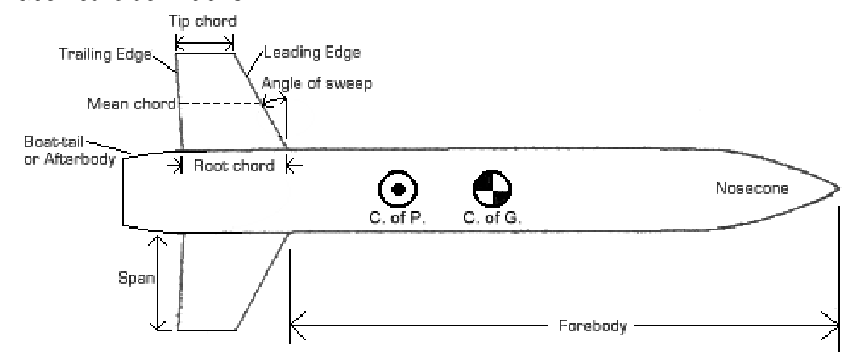
 |  |  | we ignore boat-tail section so C_pa = 1

L-N | length of cone
L-M | length of circular section between cone and tail
L-T | length of boat-tail
L | total length
$$C_{Pf}=\frac{1}{2}\left(\left(\frac{{\left(F+1\right)}^{2}}{\sqrt{2F+1}}sin^{−1}\left(\frac{\sqrt{2F+1}}{F+1}\right)\right)−F\right)$$

$$F=\frac{1}{2}\left(4{\left(\frac{L_{N}}{d}\right)}^{2}−1\right)$$

final equation for C_PL
$$C_{PL}=C_{Pf}\frac{L_{N}}{L}+\frac{L_{m}+L_{T}}{L}$$

For cp
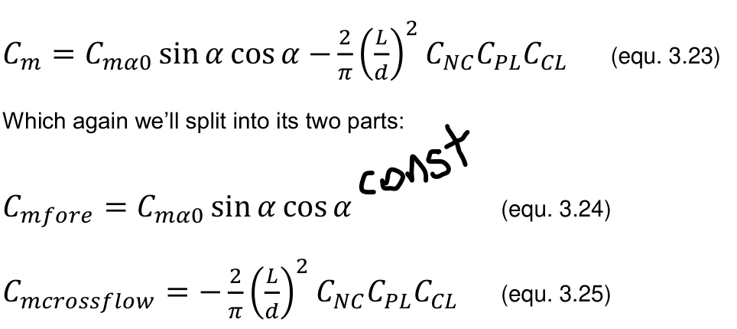
 |  |  |  |  |  |  | For Cp determination

$$\frac{X}{d}=−\frac{C_{mα}}{C_{Nα}}$$

$$\frac{X_{nose α}}{d}=\frac{X_{nose α0}}{d}$$
 |  |  |  |  |  |  |  | this says that the centre of presure doest move due to AoA,
 |  |  |  |  |  |  |  | but there is evidence that moves in transonic regime
$$X_{crossflow}=\frac{L}{2}C_{CL}$$
 |  |  |  |  |  |  |  | C_CL is a geometric parameter: the centorid planform area coefficient
 |  |  |  |  |  |  |  | In accordace to page 17 from Rocketry Aerodynamics

 |  |  |  |  |  |  |  |  |  |  | this assuming no boat-tail

summarized of all equations (models), variables and constants

CFD fins
Aerodynamic CFD static coeficients per fin | 0.06 | 0.1 | 0.3 | 0.5 | 0.7 | 1 | 1.5 | 2 | 3 | 5
Mach (std temp 288K, 1 atm, vel in m/s) | 20.4 | 34 | 102 | 170 | 238 | 340 | 510 | 680 | 1020 | 1700 | Atmosphere and boundary layer cond
dynamic pressure (Pa. 0.5*rho*V^2) | 254.68992 | 707.472 | 6367.248 | 17686.8 | 34666.128 | 70747.2 | 159181.2 | 282988.8 | 636724.8 | 1768680
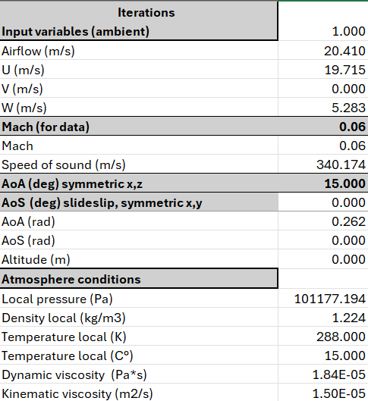
AoA (deg) x,z Lift
0 | 0.00211 | 0.00021 | 0.00680 | 0.00794 | 0.01030 | 0.00525 | 3.63081
5
10
15
20
25
30
AoA (deg) x,z SideForce
0 | 0.003024754 | 0.0075993732 | 0.0047434296 | 0.0087547752 | 0.004089126 | 0.036209692 | 1.7392082
5
10
15
20
25
30
AoA (deg) x,z Drag
0 | 0.44388 | 1.17805 | 9.95241 | 27.24731 | 54.03072 | 188.40852 | 573.49604
5 |  |  |  |  |  |  |  |  |  |  | sound speed SL | 340 | m/s
$$F=\overline{q}A_{ref}C_{F}$$
10 |  |  |  |  |  |  |  |  |  |  | T local | 288 | K
15 |  |  |  |  |  |  |  |  |  |  | Aref | 0.0062265482457 | m^2
$$M=\overline{q}A_{ref}L_{r}C_{M}$$
20 |  |  |  |  |  |  |  |  |  |  | rho at 1 atm, 288K | 1.224 | kg/m3
25 |  |  |  |  |  |  |  |  |  |  | Reference length | 0.8 | m
30
AoA (deg) x,z Moment axis x
0 | 3.94E-07 | 1.07E-06 | 3.49E-06 | 6.21E-06 | 1.05E-05 | 3.54E-05 | -4.69E-05
5
10
15
20
25
30
AoA (deg) x,z Moment axis y |  |  |  |  |  |  |  |  |  |  |  |  | 126
0 | -0.0008406785 | -9.94E-06 | -0.0028579856 | -0.0027765043 | -0.0035801428 | -0.012667222 | 1.9839978
5
10
15
20
25
30
AoA (deg) x,z Moment axis z
0 | -0.001254186 | -0.003324216 | -0.0027258663 | -0.0057863556 | -0.0062785508 | 0.02958074 | -1.2803529
5
10
15
20
25
30

Aerodynamic CFD dynamic coeficients per fin
AoA (deg) x,z Lift | 0.0013275888668 | 4.8425676243E-05 | 0.00017140628476 | 7.2128803429E-05 | 4.773930876E-05 | 1.1924612417E-05 | 0.0036632322239
0
5
10
15
20
25
30
dCL /dAoA
AoA (deg) x,z SideForce
0 | 0.0019073524221 | 0.0017251273448 | 0.00011964466448 | 7.9496567401E-05 | 1.8944266697E-05 | 8.2199318512E-05 | 0.001754738652
5
10
15
20
25
30
dCSF /dAoS (angle of slideslip)
AoA (deg) x,z Drag
0 | 0.27990070185 | 0.26742809835 | 0.25103209927 | 0.24741552449 | 0.25031566031 | 0.42770460312 | 0.57861713632
5
10
15
20
25
30
dCD /dAoA
CP from coordinate 0,0,0 (middle of forebody Mz for Fy)
$$M_{Z} for F_{Y}$$
0 | -0.39930727654 | -0.046610647948 | -0.42056601113 | -0.349536876 | -0.34743337042 | -2.4114624069 | 0.54643386098
$$M_{Y} for F_{Z}$$
5
10
15
20
25
30
CP from coordinate 0,0,0 (middle of forebody My for Fz)
0 | -0.41464066169 | -0.43743291881 | -0.57466148544 | -0.66093708494 | -1.5354261033 | 0.81692879354 | -0.73616999966
5
10
15
20
25
30

CFD forebody
Aerodynamic CFD static coeficients per fin | 0.06 | 0.1 | 0.3 | 0.5 | 0.7 | 1 | 1.5 | 2 | 3 | 5
Mach (std temp 288K, 1 atm, vel in m/s) | 20.4 | 34 | 102 | 170 | 238 | 340 | 510 | 680 | 1020 | 1700 | Atmosphere and boundary layer cond
dynamic pressure (Pa. 0.5*rho*V^2) | 254.68992 | 707.472 | 6367.248 | 17686.8 | 34666.128 | 70747.2 | 159181.2 | 282988.8 | 636724.8 | 1768680
AoA (deg) x,z Lift
0 | 0.00211 | 0.00021 | 0.00680 | 0.00794 | 0.01030 | 0.00525 | 3.63081
5
10
15
20
25
30
AoA (deg) x,z SideForce
0 | 0.003024754 | 0.0075993732 | 0.0047434296 | 0.0087547752 | 0.004089126 | 0.036209692 | 1.7392082
5
10
15
20
25
30
AoA (deg) x,z Drag
0 | 0.44388 | 1.17805 | 9.95241 | 27.24731 | 54.03072 | 188.40852 | 573.49604
5 |  |  |  |  |  |  |  |  |  |  | sound speed SL | 340 | m/s
$$F=\overline{q}A_{ref}C_{F}$$
10 |  |  |  |  |  |  |  |  |  |  | T local | 288 | K
15 |  |  |  |  |  |  |  |  |  |  | Aref | 0.0062265482457 | m^2
$$M=\overline{q}A_{ref}L_{r}C_{M}$$
20 |  |  |  |  |  |  |  |  |  |  | rho at 1 atm, 288K | 1.224 | kg/m3
25 |  |  |  |  |  |  |  |  |  |  | Reference length | 0.8 | m
30
AoA (deg) x,z Moment axis x |  |  |  |  |  |  |  |  |  |  | For numb of layer | 14 | 15
0 | 3.94E-07 | 1.07E-06 | 3.49E-06 | 6.21E-06 | 1.05E-05 | 3.54E-05 | -4.69E-05 |  |  |  | For trans ratio | 0.1 | 0.2
5 |  |  |  |  |  |  |  |  |  |  | Growth rate | 1.1 | 1.2
10
15
20
25
30
AoA (deg) x,z Moment axis y
0 | -0.0008406785 | -9.94E-06 | -0.0028579856 | -0.0027765043 | -0.0035801428 | -0.012667222 | 1.9839978
5
10
15
20
25
30
AoA (deg) x,z Moment axis z
0 | -0.001254186 | -0.003324216 | -0.0027258663 | -0.0057863556 | -0.0062785508 | 0.02958074 | -1.2803529
5
10
15
20
25
30

Aerodynamic CFD dynamic coeficients per fin
AoA (deg) x,z Lift | 0.0013275888668 | 4.8425676243E-05 | 0.00017140628476 | 7.2128803429E-05 | 4.773930876E-05 | 1.1924612417E-05 | 0.0036632322239
0
5
10
15
20
25
30
dCL /dAoA
AoA (deg) x,z SideForce
0 | 0.0019073524221 | 0.0017251273448 | 0.00011964466448 | 7.9496567401E-05 | 1.8944266697E-05 | 8.2199318512E-05 | 0.001754738652
5
10
15
20
25
30
dCSF /dAoS (angle of slideslip)
AoA (deg) x,z Drag
0 | 0.27990070185 | 0.26742809835 | 0.25103209927 | 0.24741552449 | 0.25031566031 | 0.42770460312 | 0.57861713632
5
10
15
20
25
30
dCD /dAoA
CP from coordinate 0,0,0 (middle of forebody Mz for Fy)
$$M_{Z} for F_{Y}$$
0 | -0.39930727654 | -0.046610647948 | -0.42056601113 | -0.349536876 | -0.34743337042 | -2.4114624069 | 0.54643386098
$$M_{Y} for F_{Z}$$
5
10
15
20
25
30
CP from coordinate 0,0,0 (middle of forebody My for Fz)
0 | -0.41464066169 | -0.43743291881 | -0.57466148544 | -0.66093708494 | -1.5354261033 | 0.81692879354 | -0.73616999966
5
10
15
20
25
30

Stability
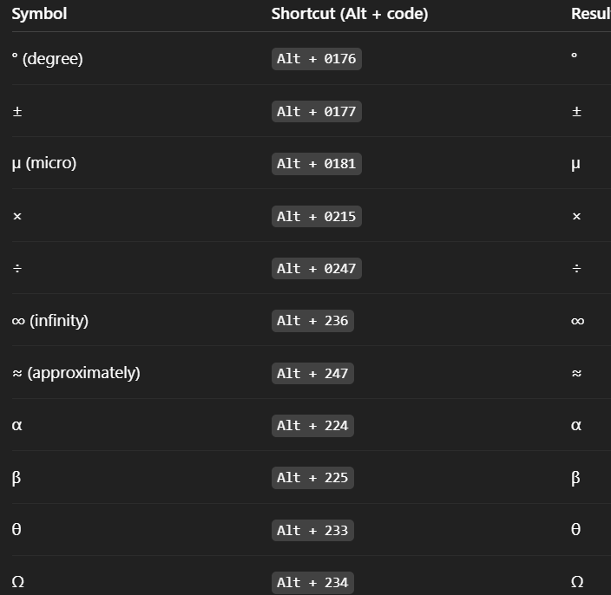
Model for aircraft dynamics | Total der. | 18
 | Derivative | Description | Notes
Total | CL | Lift coefficient | Lifting capability
 | CD | Drag coefficient | Aircraft total drag
 | CXu | Change in drag (or axial force) coefficient due to forward velocity u' | aerodynamic drag behavior
Drag force | CXα | Change in drag (or axial force) coefficient due to angle of attack α' | drag increases with α
 | CXq | Change in drag (or axial force) coefficient due to pitch rate q' | drag increase pitching up or down
 | CZu | Change in lift coefficient due to forward velocity u' | aerodynamic lift behavior
Lift force | CZα | Change in lift coefficient due to angle of attack α' | lift generated due changes in α
 | CZq | Change in lift coefficient due to pitch rate q' | lift generated by pitching
 | CYß | Change in side force coefficient due to slideslip angle ß' | side force generated by slideslip, lateral-directional
Side force | CYp | Change in side force coefficient due to roll rate p' | side force due to rolling rate
 | CYr | Change in side force coefficient due to yaw rate r' | side force generated by yaw rate
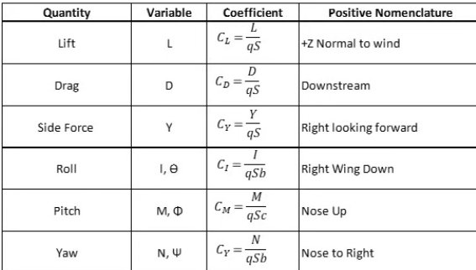
 | CLp | Change in rolling coefficient due to roll rate p' (roll ramping) | stabilizing moment resisting rollingmotion
Rolling moment | CLß | Change in rolling coefficient due to slideslip angle ß' | dihedral effect
 | CLr | Change in rolling moment coefficient due to yaw rate r' | yaw-roll coupling, important for dutch roll
 | CMu | Change in pitching moment coefficient due to changes in forward velocity u' | indicates change in pitching moment | 2.8624052261
Pitching moment | CMα | Change in pitching moment coefficient due to changes angle of attack α' | determines aircraft stability margin
 | CMq | Change in pitching moment coefficient due to changes in pitch rate q (pitch damping) | damping moment that resist furtherchanges in pitch rate
 | CNß | Change in yawing moment coefficient due to slideslip ß' | restoring yawing moment
Yawing moment | CNp | Change in yawing moment coefficient due to roll rate p' | yawing tendency during rolling motion
 | CNr | Change in yawing moment coefficient due to yaw rate r' (yaw damping) | yaw damping moment, provides dynamic stability

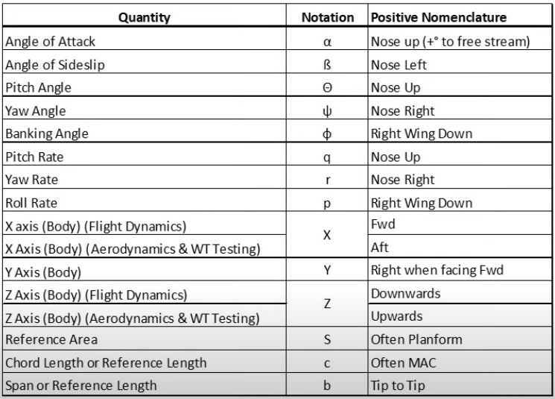
Reduced model to rocket dynamics
X
Y
Z
Pitch P
Roll Q
Yaw R

